Sheet1
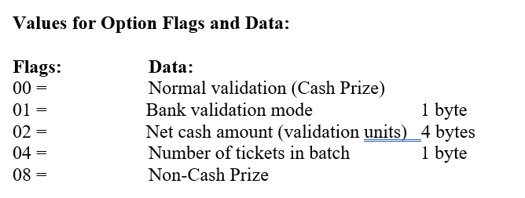
TestByte |  | Size | Field Contents |  | Hexa | Bin | Dec
Start | End
1 | 1 | 1 | Control | Sequence | 22 | Control=0010 Sequence=0010 | 2 2 | Control -> x10 - Application Message Sequence -> 2
2 | 2 | 1 | Type = 13 | Subtype = 13 | DD | Type=1101 Subtype=1101 | Type=13 Subtype=13 | Type = 13 Subtype = 13
3 | 4 | 2 | Checksum |  | …. | …. | …. | ….
5 | 5 | 1 | Statistics[1] |  | 02 |  | … | Keyboard Entry
6 | 7 | 2 | Option Flags |  | 01 00 |  | … | Bank Validation Mode
8 | 8+n-1 | n | Option Data[2] |  | 00 |  | 0 | New bank validation request
8+n | 8+n | 1 | Batch Flag (see below) |  | 00 |  | 0 | Not Batched
9+n | 12+n | 4 | Retailer number, who gets the credit For non-privileged terminals this field should be set to 0. |  | 00 00 00 00 |  | 0 | 0= Not previvileged terminal
13+n | 13+n | 1 | Validation Mode ( 0 = Pay, 1 = Inquire with no updates ) |  | 01 |  | 1 | 1 = Inquire with no updates
14+n | 17+n | 4 | Envelope Identification Number (generated by the terminal) For non-privileged terminal this field should be set to 0. |  | 00 00 00 00 |  | 0 | 0= Not previvileged terminal
18+n | 18+n | 1 | Number of Tickets in Batch |  | 01 |  | 1 | 1 ticket in batch
19+n | 20+n | 2 | Game Number (000-999) |  | 01 6B |  | 363 | 363
21+n | 24+n | 4 | Pack Number |  | 00 06 AD 71 |  | 437617 | 0437617
25+n | 28+n | 4 | VIRN Number (9 digits) |  | 06 9F 6B C7 |  | 111111111 | 111111111
29+n | 30+n | 2 | Latex Number |  | 04 57 |  | 1111 | 1111
31+n | 34+n | 4 | Amount in cents |  | 00 00 00 00 |  | 0 | 0 = No prize

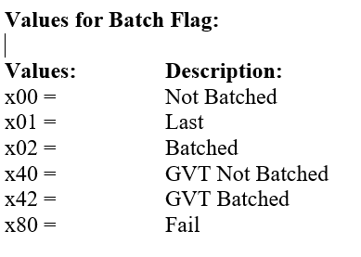

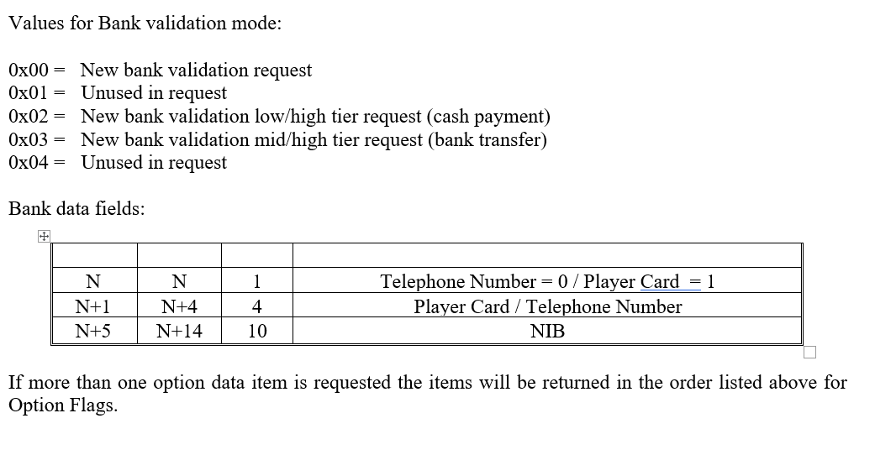

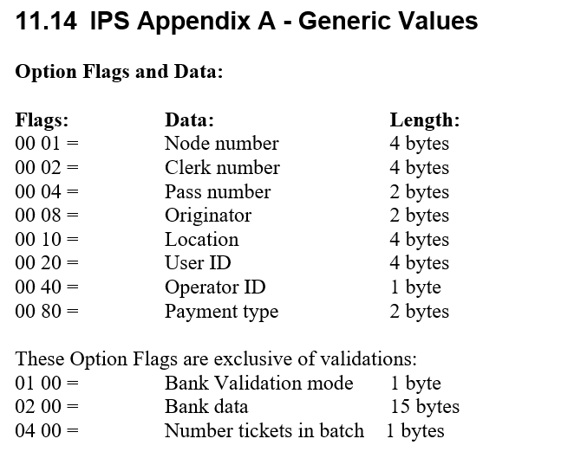

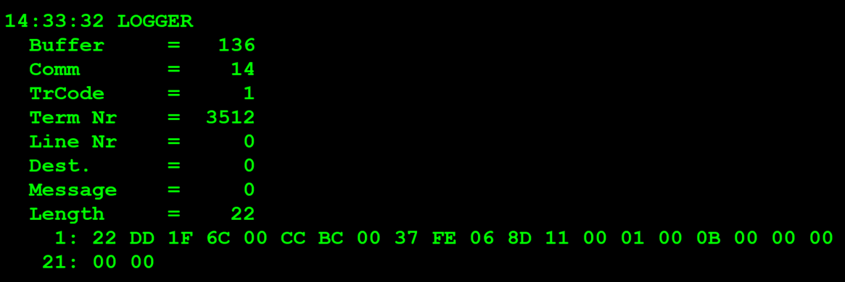
TestByte |  | Size | Field Contents
Start | End
1 | 1 | 1 | Control | Sequence | 22 | Control=0010 Sequence=0010 | 2 2 | Control -> x10 - Application Message Sequence -> 2
2 | 2 | 1 | Type = 13 | Subtype = 13 | DD | Type=1101 Subtype=1101 | Type=13 Subtype=13 | Type = 13 Subtype = 13
3 | 4 | 2 | Checksum |  | … | … | … | …
5 | 7 | 3 | Time Stamp (seconds since midnight) |  | 00 CC BC |  | 52412 | 14:33:32.
8 | 9 | 2 | Julian Date (3 digits, unsigned) |  | 00 37 |  | 55 | 31+24=55
10 | 12 | 3 | External Serial Number (8 digits, unsigned) |  | FE 06 8D |  | 16647821 | 016 647 821
13 | 13 | 1 | Check digit |  | 11 |  | 17 | 017
14 | 14 | 1 | Result Code 1 (see below) |  | 00 |  | 0 | No error
15 | 15 | 1 | Result Code 2 (see below) |  | 01 |  | 1 | 1 ticket in the batch
16 | 16 | 1 | Option Flags |  | 00 |  | 0 | 00=Normal validation (Cash Prize)
17 | 17+n | n | Option Data (see below) |  | 0B 00 00 00 00 00 ?? |  | ?? | 0B->11??

